Sheet1
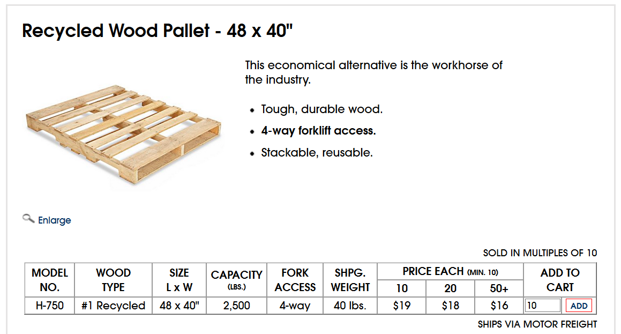
 | Panel Type |  |  |  |  |  |  |  | Company makes four types of pallettes: Tahoe, Pacific, Savannah, and Aspen. They have a profit (revenue minus costs, combined in this introductory problem) of $450, $1150, $800, and $400 per palette respectively. They each use different amounts of four resources: pressing machine hours, quarts of glue, pounds of pine wood chips and pounds of oak wood chips. You are to determine the optimal production schedule (amount of each pallete to make) that will maximize the profit.
 | Tahoe | Pacific | Savannah | Aspen

Profit | $450 | $1,150 | $800 | $400 |  |  | Profit | $58,800
Decision | 23 | 15 | 39 | 0
 | 0

 | Resources Required per Pallet Type |  |  |  | Used |  | Available
Glue | 50 | 50 | 100 | 50 | 5800 | <= | 5,800 | Quarts
Pressing | 5 | 15 | 10 | 5 | 730 | <= | 730 | Hours
Pine Chips | 500 | 400 | 300 | 200 | 29200 | <= | 29,200 | Pounds
Oak Chips | 500 | 750 | 250 | 500 | 32500 | <= | 60,500 | Pounds

